API_Bug
Test Case ID | Title | Preconditions | Steps to reproduce | Test Data | Expected Result | Actual Result | Attachement | Status | Priorty | Severity | Bug Design
TC_order_008 | API Reponded 200OK when Sending a negative number in the quantity |  | 1-Send a POST request to /store/order 2-Sending a negative number in the quantity | { "id": 5, "petId": 66, "quantity": -1, "shipDate": "2025-04-04T19:14:59.059Z", "status": "placed", "complete": true } | API Reponded 400 Bad Request | 1- API Reponded 200 OK 2- . API reponds with response body Contains the same order data | 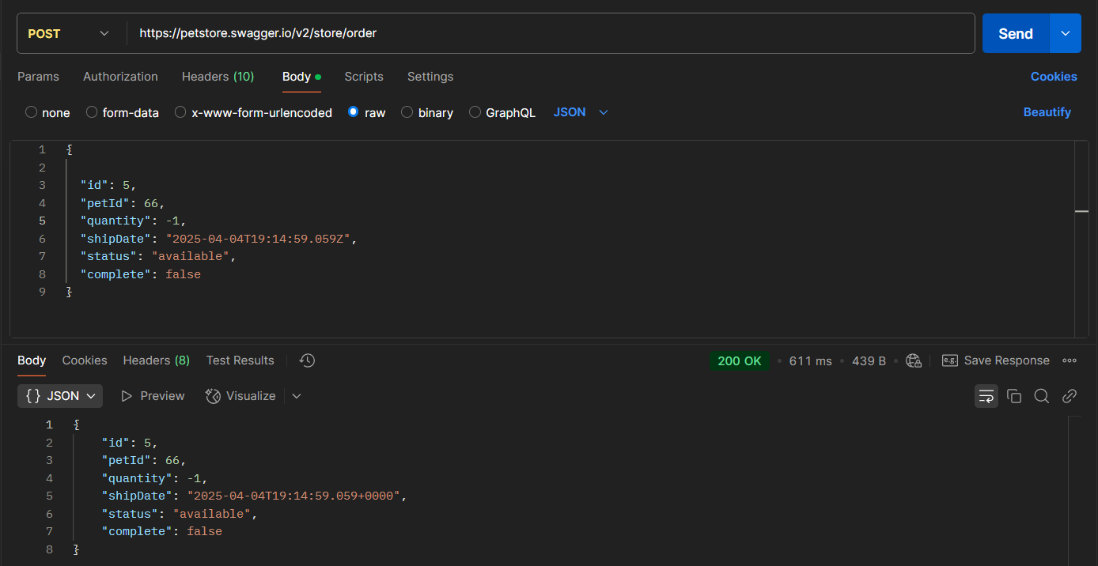 | NEW | High | low | Huthaifa Yasser
TC_order_009 | API Reponded 200OK when Sending empty status & shipDate |  | 1-Send a POST request to /store/order 2-Sending empty status & shipDate | { "id": 5, "petId": 66, "quantity": -1, "shipDate": "", "status": "", "complete": true } | API Reponded 400 Bad Request | 1- API Reponded 200 OK 2- . API reponds with response body Contains the same order data | 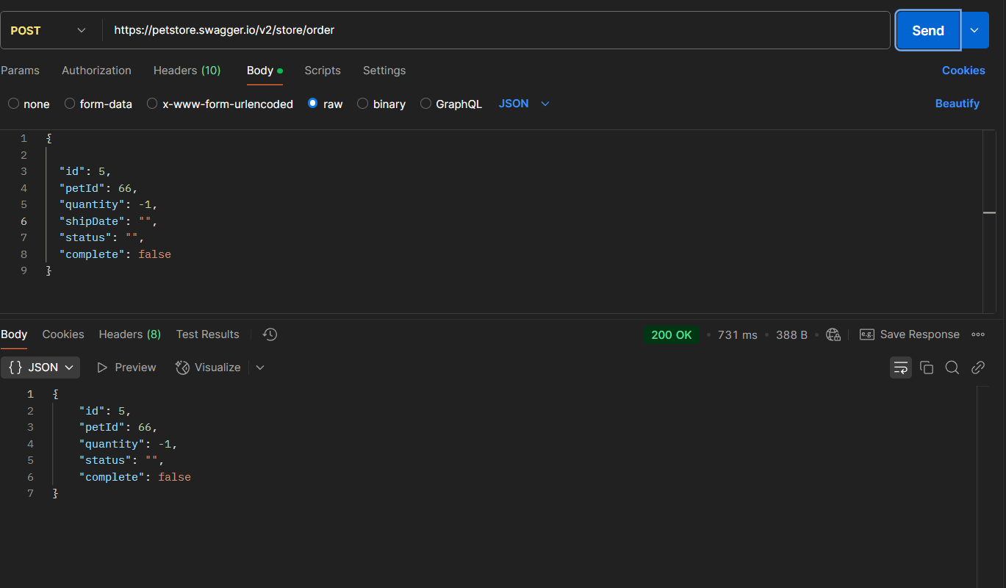 | NEW | High | low
TC_Find purchase order_012 | A API Reponded 404 Not Found when sending vaild endpoint With ID with value < 1 or ID > 10 |  | 1-Send a GET request to /store/order/0 2-Send invaild ID | ID= 0,-1 | 1- API Reponded 400 Bad Request 2- in response body contain ( Invalid ID supplied ) | 1- API Reponded 404 Not Found 2- . API reponds with response body Contains [ { "code": 1, "type": "error", "message": "Order not found" } ] | 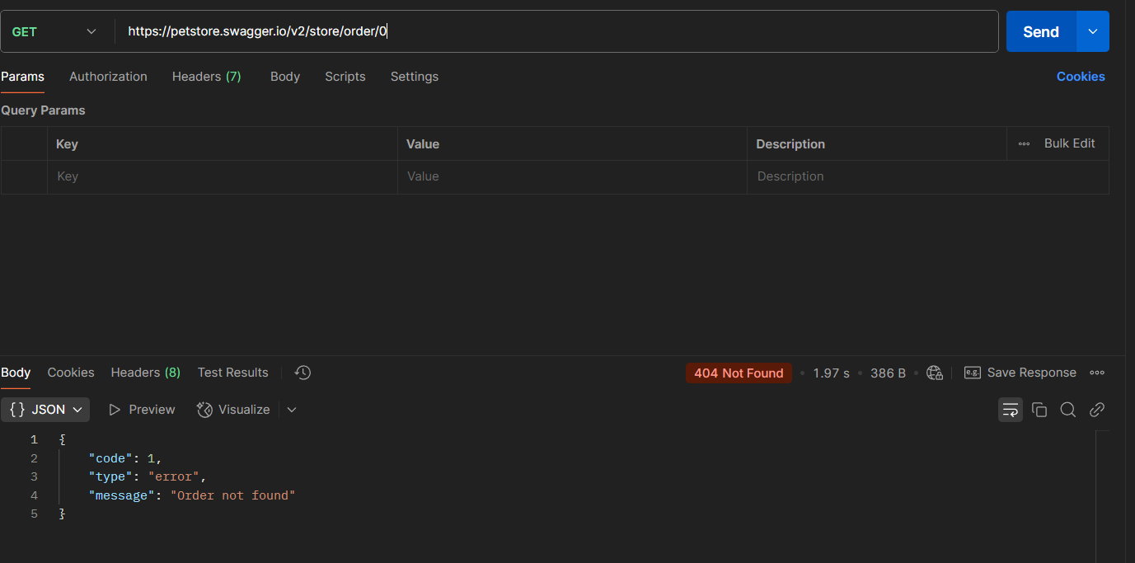 | NEW | High | low
TC_Delete _015 | API Reponded 404 Not Found when Send Negative values will generate API errors |  | 1-Send a DELET request to /store/order/-2 2-Send Negative ID | ID = -2 | 1- API reponded with 400 Bad Request | 1- API Reponded 404 Not Found 2- API reponds with response body Contains [ { "code": 404, "type": "unknown", "message": "Order Not Found" } ] | 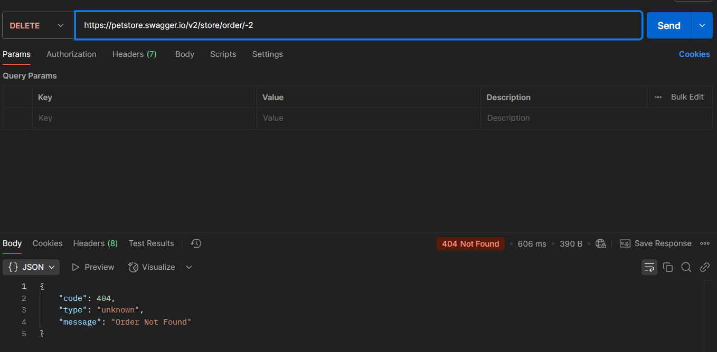 | NEW | High | low
TC_Delete _016 | API Reponded 404 Not Found when Send non-integer values will generate API errors |  | 1-Send a DELET request to /store/order/2.1 2-Send non-integer ID | ID = 2.1 | 1- API reponded with 400 Bad Request | 1- API Reponded 404 Not Found 2- API reponds with response body Contains [ { "code": 404, "type": "unknown", "message": "java.lang.NumberFormatException: For input string: \"2.1\"" } ] | 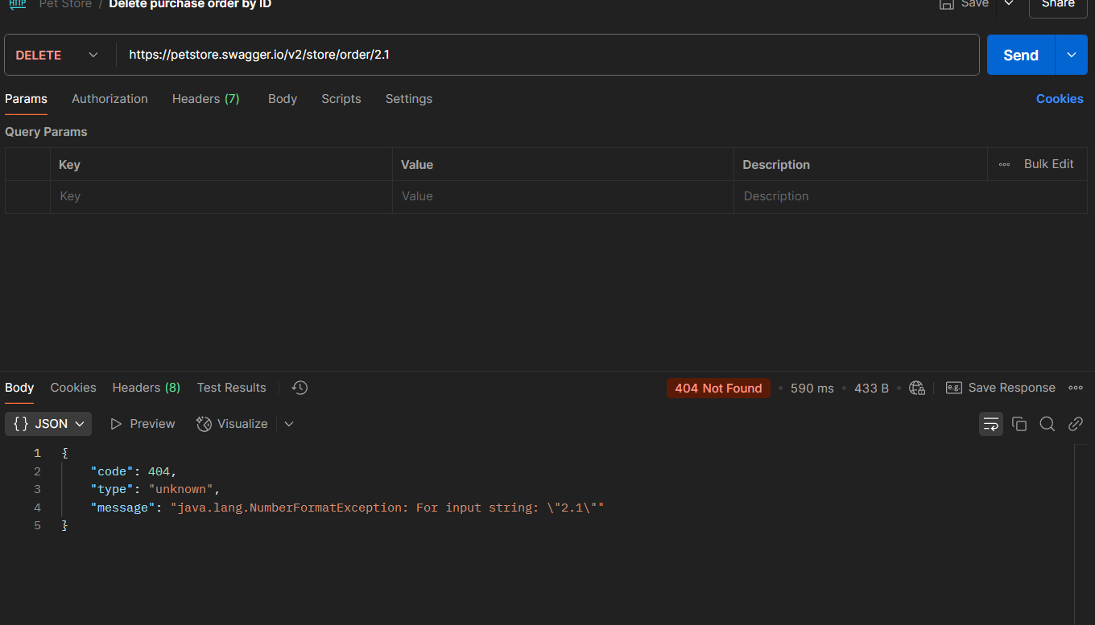 | NEW | High | low
TC_Delete _017 | API Reponded 404 Not Found when Send non-integer values will generate API errors |  | 1-Send a DELET request to /store/order/dsd 2-Send non-integer ID | ID = dsd | 1- API reponded with 400 Bad Request | 1- API Reponded 404 Not Found 2- API reponds with response body Contains [ { "code": 404, "type": "unknown", "message": "java.lang.NumberFormatException: For input string: \"dsd\"" } ] | 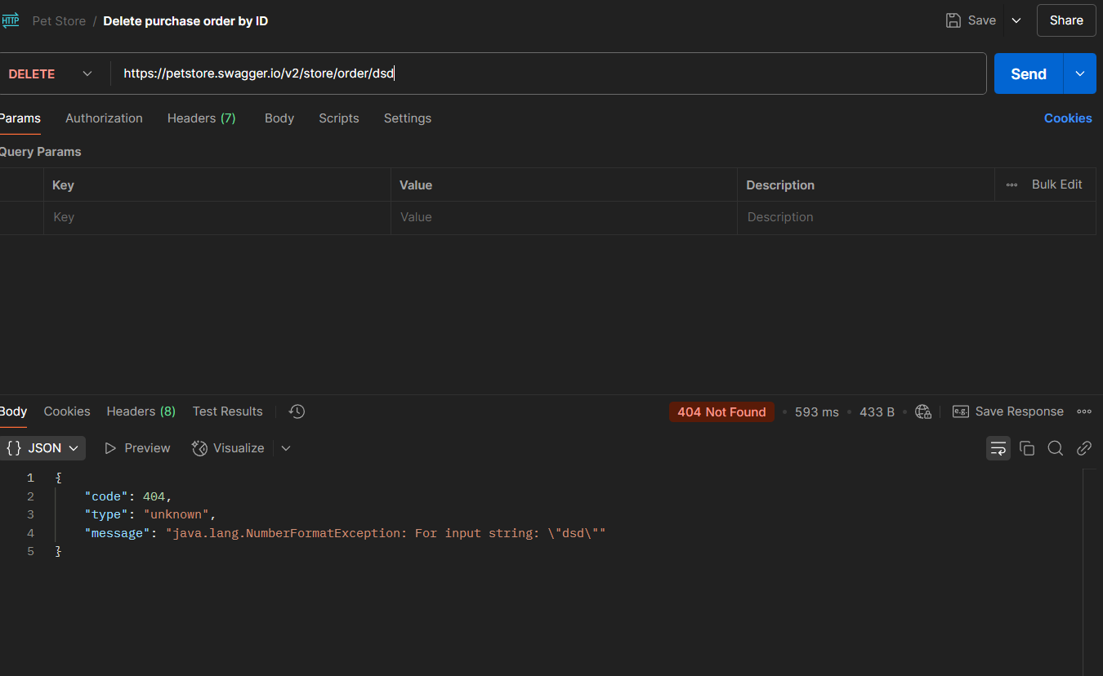 | NEW | High | low

